basic
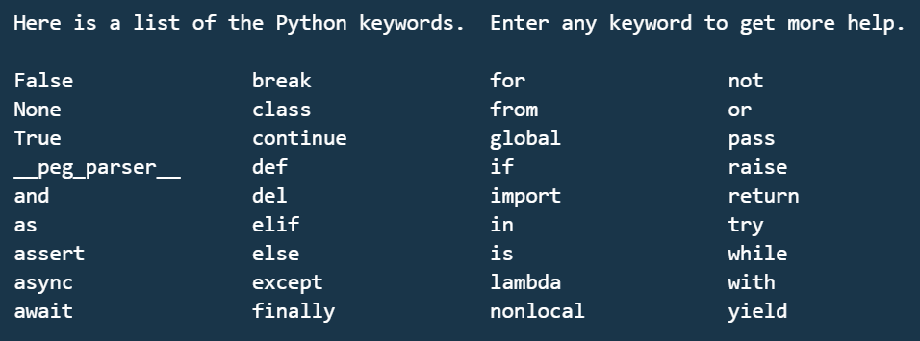
1 Basics of Python

1 | Variables
2 | keywords & identifiers
3 | literals
4 | operators | --> +,-,*,/,**,??,%
5 | Implicit conversion
6 | explicit conversion
7 | print | --> print(value, ..., sep=' ', end='\n', file=sys.stdout, flush=False)

strings
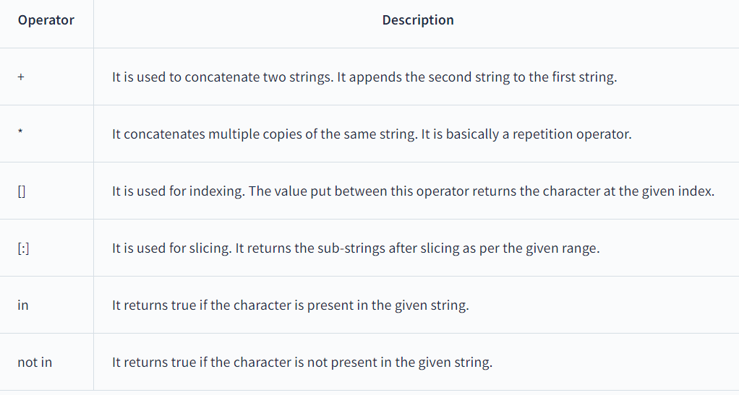
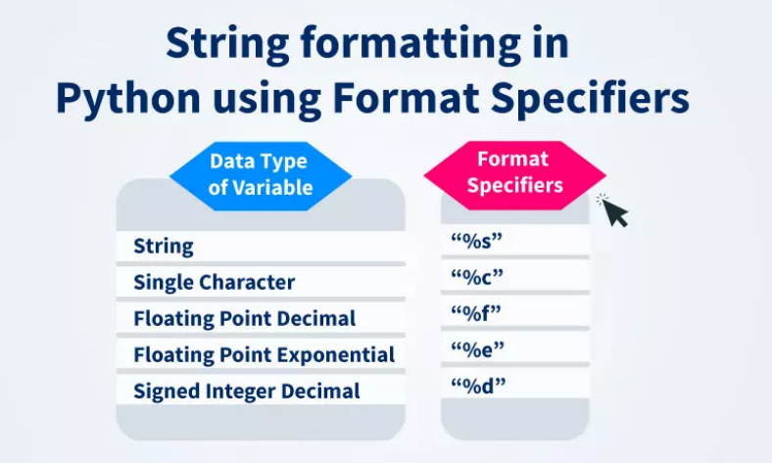
String
 | string concatenation | +
 | string multiply | *
 | string accessing | [0]
 | string indexing | [0:5]

capitalize() | Converts the first character to upper case
casefold() | Converts string into lower case
center() | Returns a centered string
count() | Returns the number of times a specified value occurs in a string
encode() | Returns an encoded version of the string
endswith() | Returns true if the string ends with the specified value
expandtabs() | Sets the tab size of the string
find() | Searches the string for a specified value and returns the position of where it was found
format() | Formats specified values in a string
format_map() | Formats specified values in a string
index() | Searches the string for a specified value and returns the position of where it was found
isalnum() | Returns True if all characters in the string are alphanumeric
isalpha() | Returns True if all characters in the string are in the alphabet
isascii() | Returns True if all characters in the string are ascii characters
isdecimal() | Returns True if all characters in the string are decimals
isdigit() | Returns True if all characters in the string are digits
isidentifier() | Returns True if the string is an identifier
islower() | Returns True if all characters in the string are lower case
isnumeric() | Returns True if all characters in the string are numeric
isprintable() | Returns True if all characters in the string are printable
isspace() | Returns True if all characters in the string are whitespaces
istitle() | Returns True if the string follows the rules of a title
isupper() | Returns True if all characters in the string are upper case
join() | Converts the elements of an iterable into a string
ljust() | Returns a left justified version of the string
lower() | Converts a string into lower case
lstrip() | Returns a left trim version of the string
maketrans() | Returns a translation table to be used in translations
partition() | Returns a tuple where the string is parted into three parts
replace() | Returns a string where a specified value is replaced with a specified value
rfind() | Searches the string for a specified value and returns the last position of where it was found
rindex() | Searches the string for a specified value and returns the last position of where it was found
rjust() | Returns a right justified version of the string
rpartition() | Returns a tuple where the string is parted into three parts
rsplit() | Splits the string at the specified separator, and returns a list
rstrip() | Returns a right trim version of the string
split() | Splits the string at the specified separator, and returns a list
splitlines() | Splits the string at line breaks and returns a list
startswith() | Returns true if the string starts with the specified value
strip() | Returns a trimmed version of the string
swapcase() | Swaps cases, lower case becomes upper case and vice versa
title() | Converts the first character of each word to upper case
translate() | Returns a translated string
upper() | Converts a string into upper case
zfill() | Fills the string with a specified number of 0 values at the beginning

functions
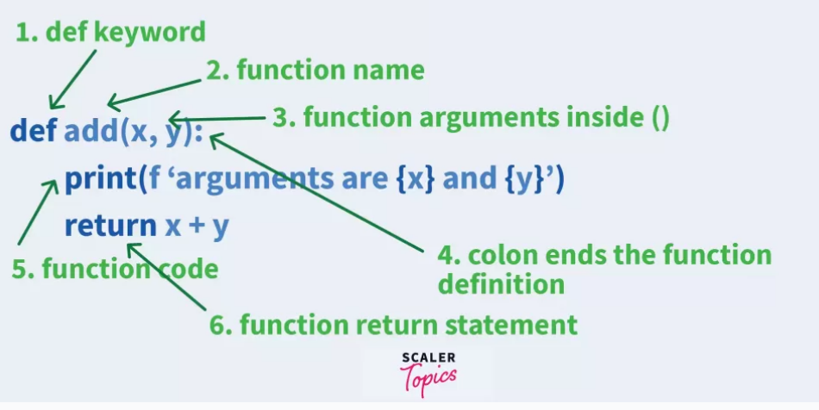
Functions

